Ex.13.1 & 13.2
For Ex.13.1 set K19 to 1
For Ex.13.2 set K19 to 0

Measured | f | c | t | Mass split % |  | Squared terms | f | c | t | Measured | Adjusted
% solids | 26.52 | 63.83 | 20.60 | 13.69 |  | % solids | 0.3149336231 | 0.0040617196413 | 0.24740946601 | 26.52 | 25.96
Pb | 12.87 | 63.52 | 6.03 | 11.90 |  | Pb | 0.029608864505 | 0.00038130372505 | 0.023260183652 | 12.87 | 12.70
Zn | 4.08 | 6.73 | 4.25 | -6.85 |  | Zn | 0.063073832343 | 0.00081426546401 | 0.049557169552 | 4.08 | 4.33
SiO2 | 32.20 | 4.00 | 33.60 | 4.73 |  | SiO2 | 1.1903979138 | 0.015361053874 | 0.93529971783 | 32.20 | 31.11
 |  |  |  |  |  |  |  | SST | 2.8741591135 | 63.83 | 63.89
 |  |  |  |  |  |  |  |  |  | 63.52 | 63.54
 |  |  |  |  |  |  |  |  |  | 6.73 | 6.70
Adjusted | f |  |  | Mass split % | Recovery |  | Choose SDs |  |  | 4.00 | 4.12
% solids | 25.96 | 63.89 | 21.10 | 11.36 | 27.96 |  | 1.00 | 1.00 | 1.00 | 20.60 | 21.10
Pb | 12.70 | 63.54 | 6.18 | 11.36 | 56.84 |  | 1.00 | 1.00 | 1.00 | 6.03 | 6.18
Zn | 4.33 | 6.70 | 4.03 | 11.36 | 17.58 |  | 1.00 | 1.00 | 1.00 | 4.25 | 4.03
SiO2 | 31.11 | 4.12 | 34.57 | 11.36 | 1.51 |  | 1.00 | 1.00 | 1.00 | 33.60 | 34.57
 |  |  |  |  |  |  | 1.00 | 1.00 | 1.00

 |  |  |  |  |  | Set SDs: | 1
 |  |  |  |  |  |  | Use 1 for no weights (Ex.13.1)
 |  |  |  |  |  |  | Use 0 for weights = measured (Ex.13.2)
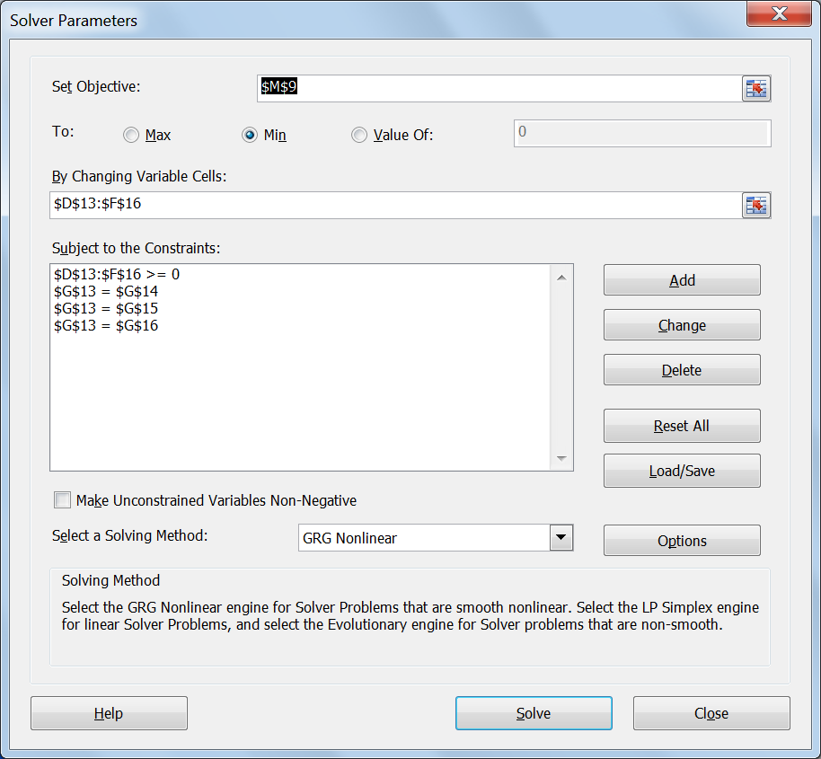
SST
Minimise SST
Adjusted values
must be > 0
All mass splits
must be equal

Ex.13.4
Gy constants |  | Draw safety lines
f = | 0.5 | Top size, d | lib.factor, l | Cd^3 | Sample mass, g | Gy mass
g = | 0.25 | 10 | 0.039 | 566.424 | 5444288.873 | 125000000
d(l) = cm | 0.015 | 1 | 0.122 | 1.791 | 17162.082 | 125000
m = g/cm^3 | 117 | 0.1 | 0.387 | 0.0057 | 54.271 | 125
Sigma(FE) = | 0.0102 | 0.01 | 1.000 | 0.000015 | 0.140 | 0.125

 |  | 10 | 125000000 | 10 | 5444288.873 | 2.5 | 170134.02729 | 0.4 | 170134.02729 | 0.4 | 1724.513422 | 0.06 | 1724.513422 | 0.06 | 15.049176288 | 0.0106 | 15.049176288
 |  | 1 | 125000 | 1 | 17162.082 | 0.4 | 170134.02729 | 0.4 | 1724.513422 | 0.06 | 1724.513422 | 0.06 | 15.049176288 | 0.0106 | 15.049176288 | 0.0106 | 0.16558015105
 |  | 0.1 | 125 | 0.1 | 54.271
 |  | 0.01 | 0.125 | 0.01 | 0.140
 |  | Sample mass for actual crushing sizes
 |  | Top size, d | lib.factor, l | Cd^3 | Sample mass, g
 |  | 2.5 | 0.0775 | 17.701 | 170134.027
 |  | 0.4 | 0.194 | 0.181 | 1724.513
 |  | 0.06 | 0.500 | 0.0016 | 15.049
 |  | 0.0106 | 1.000 | 0.000017 | 0.166

 |  | Steps in chart
 |  | Step | Top size | Sample mass
 |  | 1 | 2.5 | 170134.02729
 |  |  | 0.4 | 170134.02729
 |  | 2 | 0.4 | 1724.513422
 |  |  | 0.06 | 1724.513422
 |  | 3 | 0.06 | 15.049176288
 |  |  | 0.0106 | 15.049176288
 |  | 4 | 0.0106 | 0.16558015105

Ex.13.6
Size (mm) | Mean size (µm) | Wt.% in fraction | Cum.wt.% finer | m/d | m/d^2 | m/d^3 | Mean sizes (micron)
212 | 300.0 | 2.4 | 97.6 | 0.008 | 2.6666666667E-05 | 8.8888888889E-08
150 | 181.0 | 4.9 | 92.7 | 0.027071823204 | 0.000149568084 | 8.2634300554E-07 | d10 | 3.14
106 | 128.0 | 6.3 | 86.4 | 0.04921875 | 0.00038452148437 | 3.0040740967E-06 | d20 | 12.24
75 | 90.5 | 10.3 | 76.1 | 0.1138121547 | 0.0012575928696 | 1.3896053807E-05 | d32 | 11.18
53 | 64.0 | 11.9 | 64.2 | 0.1859375 | 0.0029052734375 | 4.5394897461E-05
38 | 45.5 | 11.3 | 52.9 | 0.24835164835 | 0.0054582779858 | 0.00011996215353
35 | 36.5 | 3.8 | 49.1 | 0.10410958904 | 0.002852317508 | 7.814568515E-05
25 | 30.0 | 6.2 | 42.9 | 0.20666666667 | 0.0068888888889 | 0.00022962962963
16 | 20.5 | 12.2 | 30.7 | 0.59512195122 | 0.029030339084 | 0.0014161141017
12 | 14.0 | 6.8 | 23.9 | 0.48571428571 | 0.034693877551 | 0.0024781341108
9 | 10.5 | 4.4 | 19.5 | 0.41904761905 | 0.039909297052 | 0.0038008854335
-9 | 3.0 | 19.5 |  | 6.5 | 2.1666666667 | 0.72222222222

 | Totals | 100.0 |  | 8.9430519879 | 2.2902232873 | 0.73040830359

